Small Diesel
Small Diesel with limited batteries |  |  |  |  |  |  |  | Total Load (MWh): | 437087.07
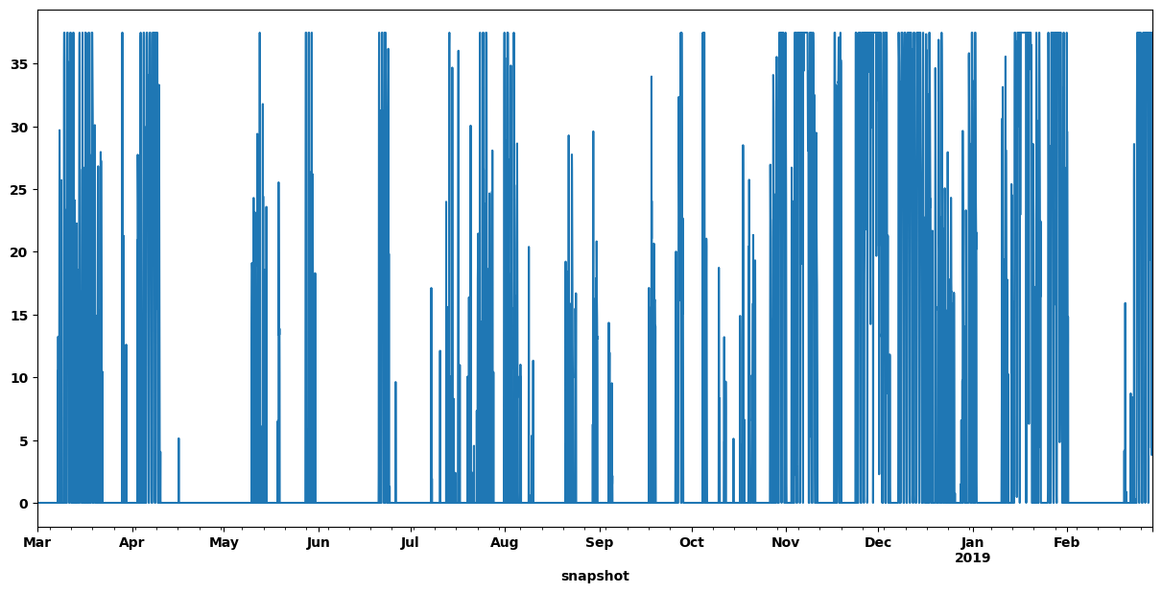
No Restrictions | Inputs |  | Results |  |  |  |  |  |  |  |  |  | Presentable Results | Small Diesel Contribution
Generators | Capital Cost ($/MW) | Marginal Cost ($/MWh) | MW | Cost ($) | Energy Generation (MWh) | Capacity Factor | Max/min? |  |  |  |  |  |  | Scenarios | No Restrictions | 10 MW Diesel | 5 MW Diesel | 3 MW Diesel
Wind | $116,276.00 |  | 91 | $10,581,116.00 | 298942 | 37.5% | none |  |  |  |  |  |  | LCOE ($/MWh) | 83.33 | 99.39 | 110.16 | 116.74
PV | $75,772.00 |  | 103 | $7,804,516.00 | 87951 | 9.7% | none |  |  |  |  |  |  | Land Use (km^2) | 1.8 | 4.3 | 5.171 | 5.675
CSP | $291,720.00 |  | 0.21 | $61,261.20 | 335 | 18.2% | none |  |  |  |  |  |  | Solar PV (MW) | 103 | 242 | 281 | 306
Diesel | $154,460.00 | 170 | 37.5 | $14,892,350.00 | 53530 | 16.3% | none |  |  |  |  |  |  | Wind (MW) | 91 | 53 | 62 | 69
 |  |  |  |  |  |  |  |  |  |  |  |  |  | CSP (MW) | 0.21 | 9 | 15 | 18
Batteries | Capital Cost ($/MWh) | e_initial | MWh |  | Hours of Storage |  | Max/min? |  |  |  |  |  |  | Diesel (MW) | 37.5 | 10 | 5 | 3
Utility | $15,700.00 | 0 | 182 | $2,857,400.00 | 2.60 |  | none |  |  |  |  |  |  | Utility Storage (MWh)/Hours of Storage | 182/2 | 420/6 | 420/6 | 420/6
Thermal | $4,290.00 | 0 | 53 | $227,370.00 | 0.76 |  | none |  |  |  |  |  |  | CSP Thermal Storage (MWh)/Hours of Storage | 53/0.75 | 1397/20 | 1680/24 | 1680/24
 |  |  | Capital Cost: | $36,424,013.20 |  | LCOE ($/MWh): | 83.33 |  |  |  |  |  |  | Renewable Energy Penetration (%) | 88 | 97 | 99 | 99.6
 |  |  |  |  | 88% | Land Use (km^2): | 1.756
 |  |  |  |  | ^Renewable Penetration^

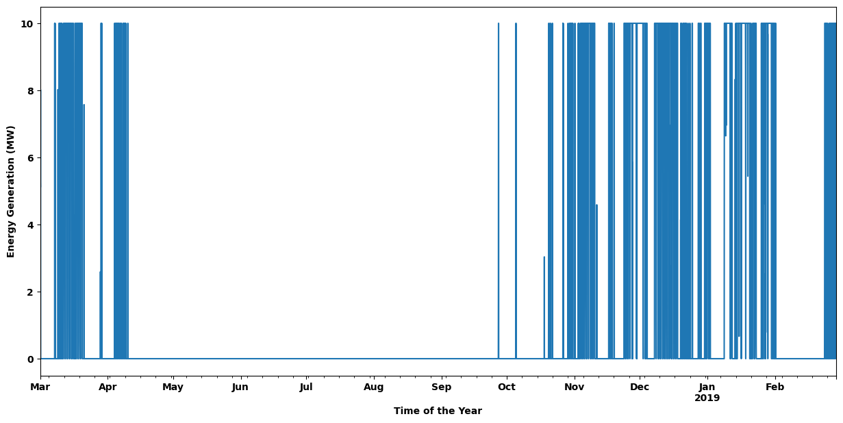
10 MW Diesel | Inputs |  | Results
Generators | Capital Cost ($/MW) | Marginal Cost ($/MWh) | MW | Cost ($) | Energy Generation (MWh) | Capacity Factor | Max/min?
Wind | $116,276.00 |  | 53 | $6,162,628.00 | 197572 | 42.6% | none
PV | $75,772.00 |  | 242 | $18,336,824.00 | 223207 | 10.5% | none
CSP | $291,720.00 |  | 9 | $2,625,480.00 | 14152 | 18.0% | none
Diesel | $154,460.00 | 170 | 10 | $3,728,760.00 | 12848 | 14.7% | max

Batteries | Capital Cost ($/MWh) | e_initial | MWh |  | Hours of Storage |  | Max/min?
Utility | $15,700.00 | 27 | 420 | $6,594,000.00 | 6 |  | max
Thermal | $4,290.00 | 0 | 1397 | $5,993,130.00 | 19.96 |  | none
 |  |  | Capital Cost: | $43,440,822.00 |  | LCOE ($/MWh): | 99.39
 |  |  |  |  | 97% | Land Use (km^2): | 4.350
 |  |  |  |  | ^Renewable Penetration^

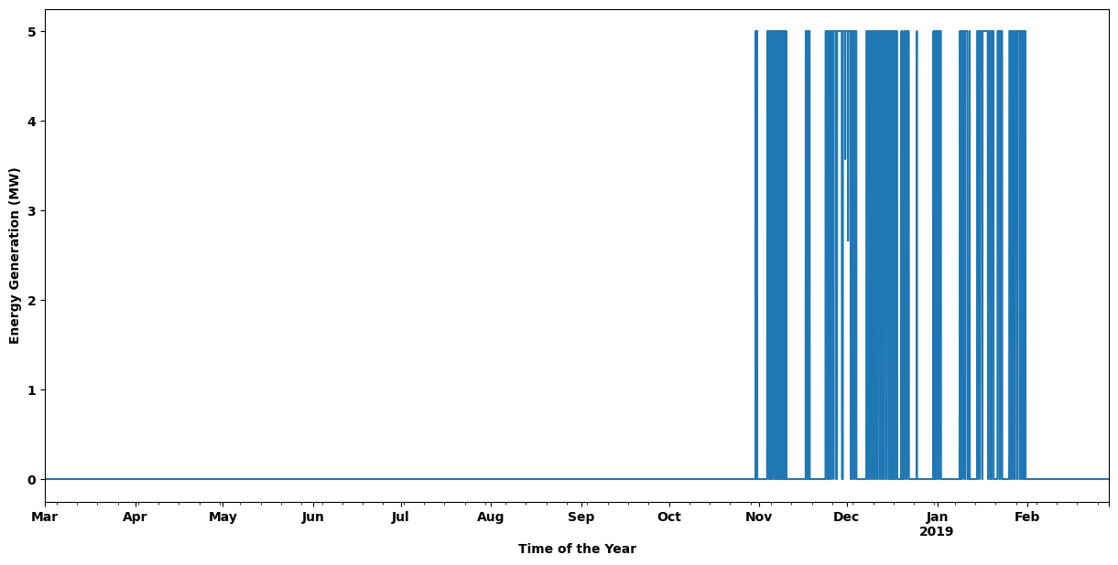
5 MW Diesel | Inputs |  | Results
Generators | Capital Cost ($/MW) | Marginal Cost ($/MWh) | MW | Cost ($) | Energy Generation (MWh) | Capacity Factor | Max/min?
Wind | $116,276.00 |  | 62 | $7,209,112.00 | 226886 | 41.8% | none
PV | $75,772.00 |  | 281 | $21,291,932.00 | 190817 | 7.8% | none
CSP | $291,720.00 |  | 15 | $4,375,800.00 | 23826 | 18.1% | none
Diesel | $154,460.00 | 170 | 5 | $1,473,550.00 | 4125 | 9.4% | max

Batteries | Capital Cost ($/MWh) | e_initial | MWh |  | Hours of Storage |  | Max/min?
Utility | $15,700.00 | 11 | 420 | $6,594,000.00 | 6.00 |  | max
Thermal | $4,290.00 | 351 | 1680 | $7,207,200.00 | 24.00 |  | max
 |  |  | Capital Cost: | $48,151,594.00 |  | LCOE ($/MWh): | 110.16
 |  |  |  |  | 99% | Land Use (km^2): | 5.171
 |  |  |  |  | ^Renewable Penetration^

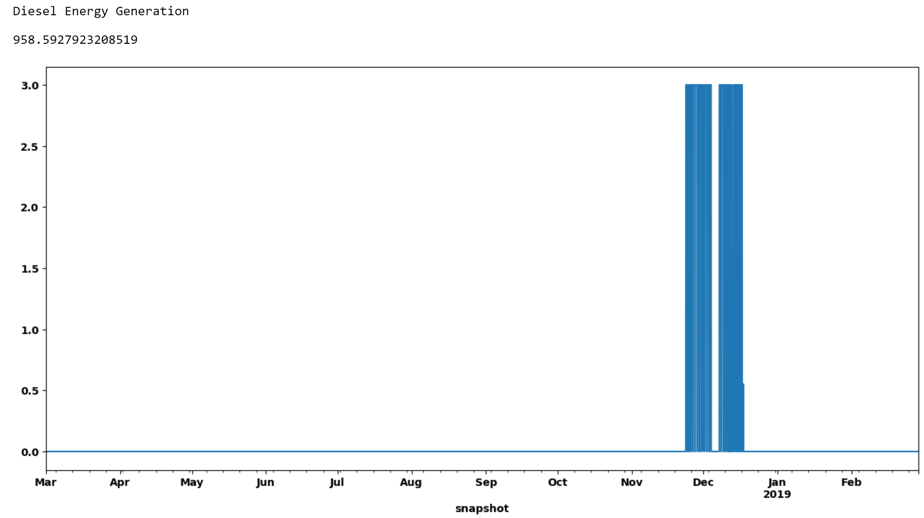
3 MW Diesel | Inputs |  | Results
Generators | Capital Cost ($/MW) | Marginal Cost ($/MWh) | MWh | Cost ($) | Energy Generation (MWh) | Capacity Factor | Max/min?
Wind | $116,276.00 |  | 69 | $8,023,044.00 | 248211 | 41.1% | none
PV | $75,772.00 |  | 306 | $23,186,232.00 | 165430 | 6.2% | none
CSP | $291,720.00 |  | 18 | $5,250,960.00 | 28770 | 18.2% | none
Diesel | $154,460.00 | 170 | 3 | $765,300.00 | 1776 | 6.8% | max

Batteries | Capital Cost ($/kWh) | e_initial | MWh |  | Hours of Storage |  | Max/min?
Utility | $15,700.00 | 0 | 420 | $6,594,000.00 | 6 |  | max
Thermal | $4,290.00 | 1 | 1680 | $7,207,200.00 | 24 |  | max
 |  |  | Capital Cost: | $51,026,736.00 |  | LCOE ($/MWh): | 116.74
 |  |  |  |  | 99.6% | Land Use (km^2): | 5.675
 |  |  |  |  | ^Renewable Penetration^

86% Renewable Penetration - Any | Inputs |  | Results
Generators | Capital Cost ($/MW) | Marginal Cost ($/MWh) | MWh | Cost ($) | Energy Generation (MWh) | Capacity Factor | Max/min? |  |  |  |  |  |  | Constant 7 MW Diesel Contribution
Wind | $116,276.00 |  | 36 | $4,185,936.00 | 248211 | 78.7% | none |  |  |  |  |  |  | Scenarios | No Restrictions | No Hydrogen | No Hydrogen or CSP
PV | $75,772.00 |  | 274 | $20,761,528.00 | 165430 | 6.9% | none |  |  |  |  |  |  | LCOE ($/MWh) | 122.02 | 123.61 | 146.82
CSP | $291,720.00 |  | 3.5 | $1,021,020.00 | 28770 | 93.8% | none |  |  |  |  |  |  | Land Use (km^2) | 4.7 | 5.0 | 6.442
Diesel | $154,460.00 | 170 | 7 | $11,505,620.00 | 61320 | 100.0% | max |  |  |  |  |  |  | Solar PV (MW) | 274 | 278 | 379
 |  |  |  |  |  |  |  |  |  |  |  |  |  | Wind (MW) | 36 | 43 | 28
Batteries | Capital Cost ($/kWh) | e_initial | MWh |  | Hours of Storage |  | Max/min? |  |  |  |  |  |  | CSP (MW) | 3.5 | 10.5 | N/A
Utility | $15,700.00 | 61 | 473 | $7,426,100.00 | 6.8 |  | max |  |  |  |  |  |  | Utility Storage (MWh)/Hours of Storage | 473/6.8 | 488/7 | 1318/18.8
Thermal | $4,290.00 | 0 | 463 | $1,986,270.00 | 6.6 |  | max |  |  |  |  |  |  | CSP Thermal Storage (MWh)/Hours of Storage | 463/6.6 | 1337/19.1 | N/A
Hydrogen Storage | $2,860.00 | 39 | 1804 | $5,159,440.00 | 128.9 |  | max |  |  |  |  |  |  | Hydrogen Storage (MWh)/Hours of Storage | 1804/129 | N/A | N/A
 |  |  |  |  |  |  |  |  |  |  |  |  |  | Hydrogen Electrolyzer (MW) | 8 | N/A | N/A
Links | Capital Cost ($/MW) |  | MW |  |  |  | Max/min? |  |  |  |  |  |  | Hydrogen Fuel Cell (MW) | 14 | N/A | N/A
Hydrogen Electrolyzer | $85,810.00 |  | 8 | $686,480.00 |  |  | none
Hydrogen Fuel Cell | $42,910.00 |  | 14 | $600,740.00 |  |  | none
 |  |  | Capital Cost: | $53,333,134.00 |  | LCOE ($/MWh): | 122.02
 |  |  |  |  | 86.0% | Land Use (km^2): | 4.749
 |  |  |  |  | ^Renewable Penetration^

86% Renewable Penetration - No Hydrogen | Inputs |  | Results
Generators | Capital Cost ($/MW) | Marginal Cost ($/MWh) | MWh | Cost ($) | Energy Generation (MWh) | Capacity Factor | Max/min?
Wind | $116,276.00 |  | 43 | $4,999,868.00 | 248211 | 65.9% | none
PV | $75,772.00 |  | 278 | $21,064,616.00 | 165430 | 6.8% | none
CSP | $291,720.00 |  | 10.5 | $3,063,060.00 | 28770 | 31.3% | none
Diesel | $154,460.00 | 170 | 7 | $11,505,620.00 | 61320 | 100.0% | max

Batteries | Capital Cost ($/kWh) | e_initial | MWh |  | Hours of Storage |  | Max/min?
Utility | $15,700.00 | 61 | 488 | $7,661,600.00 | 7.0 |  | max
Thermal | $4,290.00 | 0 | 1337 | $5,735,730.00 | 19.1 |  | max
 |  |  | Capital Cost: | $54,030,494.00 |  | LCOE ($/MWh): | 123.61
 |  |  |  |  | 86.0% | Land Use (km^2): | 5.001
 |  |  |  |  | ^Renewable Penetration^

86% Renewable Penetration - No Hydrogen or CSP | Inputs |  | Results
Generators | Capital Cost ($/MW) | Marginal Cost ($/MWh) | MWh | Cost ($) | Energy Generation (MWh) | Capacity Factor | Max/min?
Wind | $116,276.00 |  | 28 | $3,255,728.00 | 105062 | 42.8% | none
PV | $75,772.00 |  | 379 | $28,717,588.00 | 285542 | 8.6% | none
Diesel | $154,460.00 | 170 | 7 | $11,505,620.00 | 61320 | 100.0% | max

Batteries | Capital Cost ($/kWh) | e_initial | MWh |  | Hours of Storage |  | Max/min?
Utility | $15,700.00 | 907 | 1318 | $20,692,600.00 | 18.8 |  | max
 |  |  | Capital Cost: | $64,171,536.00 |  | LCOE ($/MWh): | 146.82
 |  |  |  |  | 86.0% | Land Use (km^2): | 6.442
 |  |  |  |  | ^Renewable Penetration^
MC - Marginal Cost

No Restrictions - Higher Diesel MC | Inputs |  | Results |  |  |  |  |  | Sensitivity Tests
Generators | Capital Cost ($/MW) | Marginal Cost ($/MWh) | MW | Cost ($) | Energy Generation (MWh) | Capacity Factor | Max/min? |  | Scenarios | No Restrictions | Solar PV CAPEX Increased | Solar PV CAPEX Decreased
Wind | $116,276.00 |  | 118 | $13,720,568.00 | 329819 | 31.9% | none |  | LCOE ($/MWh) | 128.43 | 152.13 | 101.25
PV | $75,772.00 |  | 316 | $23,943,952.00 | 99095 | 3.6% | none |  | Land Use (km^2) | 5.8 | 7.2 | 7.8
CSP | $291,720.00 |  | 16 | $4,667,520.00 | 13911 | 9.9% | none |  | Solar PV (MW) | 316 | 372 | 432
Diesel | $154,460.00 | 240 | 0 | $- | 0 | #DIV/0! | none |  | Wind (MW) | 118 | 25 | 25
 |  |  |  |  |  |  |  |  | CSP (MW) | 16 | 33 | 18
Batteries | Capital Cost ($/MWh) | e_initial | MWh |  | Hours of Storage |  | Max/min? |  | Diesel (MW) | 0 | N/A | N/A
Utility | $15,700.00 | 0 | 420 | $6,594,000.00 | 6.00 |  | none |  | Utility Storage (MWh)/Hours of Storage | 420/6 | 420/6 | 555/7.9
Thermal | $4,290.00 | 0 | 1680 | $7,207,200.00 | 24.00 |  | none |  | CSP Thermal Storage (MWh)/Hours of Storage | 1680/24 | 1680/24 | 1631/23.3
 |  |  | Capital Cost: | $56,133,240.00 |  | LCOE ($/MWh): | 128.43
 |  |  |  |  | 100% | Land Use (km^2): | 5.792
 |  |  |  |  | ^Renewable Penetration^

